Sheet1
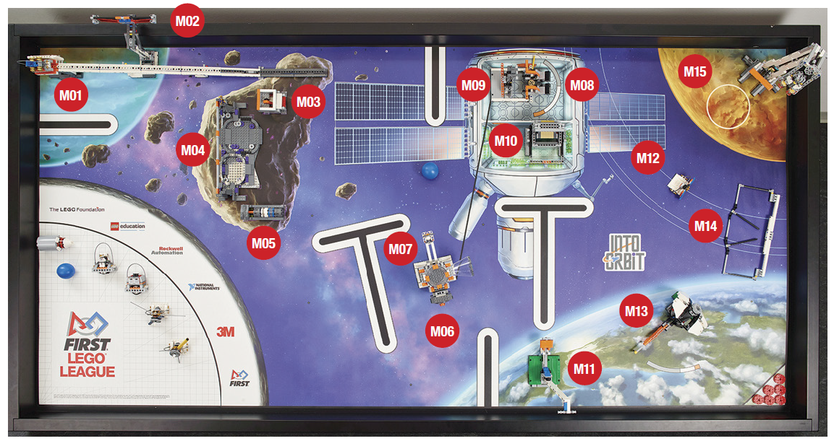
2018-12-01 | 2018-12-11 | Goal | Possible
124 | 174 | 144 | 400 | Mission
22 | 22 | 22 | 46 | M01 - Space Travel
18 | 40 | 18 | 40 | M02 - Solar Array
0 | 18 | 18 | 22 | M03 - 3D Printing
0 | 0 | 0 | 20 | M04 - Crater Crossing
26 | 26 | 26 | 36 | M05 - Extraction
0 | 0 | 0 | 46 | M06 - Space Station Modules
0 | 0 | 0 | 22 | M07 - Space Walk Emergency
0 | 0 | 0 | 22 | M08 - Aerobic Exercise
0 | 0 | 0 | 16 | M09 - Strength Exercise
16 | 16 | 16 | 16 | M10 - Food Production
24 | 24 | 24 | 24 | M11 - Escape Velocity
0 | 8 | 0 | 24 | M12 - Satellite Orbits
18 | 20 | 20 | 20 | M13 - Observatory
0 | 0 | 0 | 24 | M14 - Meteriod Deflection
0 | 0 | 0 | 22 | M15 - Lander Touch-down

